Customer_Sales
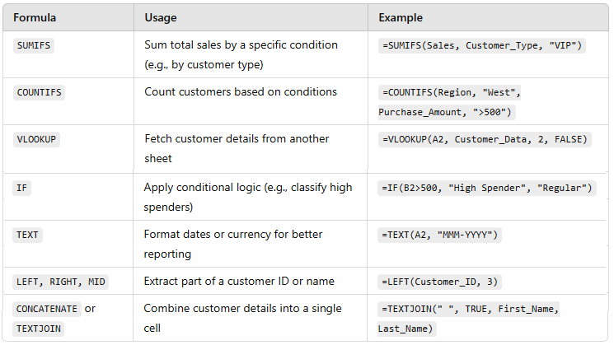
Customer_ID | Customer_Name | Purchase_Amount | Purchase_Date | Customer_Type | Type of Customer | Region
101 | Alice | $500 | 2024-01-13 | Regular | Regular | North
102 | Bob | $1,200 | 2024-01-29 | VIP | High Spender | South
103 | Charlie | $800 | 2024-01-31 | Regular | Regular | East
104 | David | $450 | 2024-04-28 | Regular | Regular | West
105 | Eva | $2,000 | 2024-04-30 | VIP | High Spender | North
106 | Frank | $700 | 2024-04-30 | Regular | Regular | South
107 | Grace | $300 | 2024-06-15 | Regular | Regular | East
108 | Hannah | $950 | 2024-06-30 | VIP | Regular | West
109 | Ian | $600 | 2024-06-30 | Regular | Regular | North
110 | Jack | $1,100 | 2024-07-01 | VIP | High Spender | South
111 | Evie | $867 | 2024-07-10 | Regular | Regular | North
112 | Kim | $868 | 2024-07-15 | VIP | Regular | South
113 | Dart | $869 | 2024-07-20 | Regular | Regular | East
114 | Evan | $870 | 2024-08-28 | Regular | Regular | West | Formula:
115 | Alison | $872 | 2024-08-30 | VIP | Regular | North | Sum total sales by a specific condition (e.g., by customer type) |  |  |  | Use of SUMIFS
116 | Bret | $873 | 2024-08-31 | Regular | Regular | South
117 | Betty | $874 | 2024-09-02 | Regular | Regular | East | Total sales for VIP |  |  | $13,174.85
118 | John | $875 | 2024-09-03 | VIP | Regular | West | Total sales for Regular |  |  | $16,559.70
119 | Joe | $876 | 2024-09-13 | Regular | Regular | North
120 | Koel | $878 | 2024-09-15 | VIP | Regular | South | Count customers based on conditions |  |  |  | Use of COUNTIFS
121 | Jamed | $879 | 2024-09-30 | Regular | Regular | North
122 | Jonathan | $880 | 2024-10-01 | VIP | Regular | South | Total VIP Customers |  |  | 13
123 | Jared | $881 | 2024-10-20 | Regular | Regular | East | Total Regular Customers |  |  | 21
124 | James | $882 | 2024-10-15 | Regular | Regular | West
125 | Jerry | $884 | 2024-10-20 | VIP | Regular | North | Fetch customer details from another sheet |  |  |  | use VLookUP
126 | Tom | $885 | 2024-10-22 | Regular | Regular | South | Find the age for Bob |  |  | 21 | It only takes the ID value column to begin with
127 | Donald | $886 | 2024-10-25 | Regular | Regular | East
128 | Fred | $887 | 2024-10-28 | VIP | Regular | West | Extract part of a customer name
129 | Greg | $888 | 2024-10-30 | Regular | Regular | North | LEFT Part | Ch
130 | Brittany | $890 | 2024-11-05 | VIP | Regular | South | RIGHT Part | any
131 | Larry | $891 | 2024-11-09 | Regular | Regular | North | MID Part | r
132 | Berry | $892 | 2024-11-15 | VIP | Regular | South
133 | Benjamin | $893 | 2024-12-06 | Regular | Regular | East | Concatentate or Text Join
134 | Xavier | $895 | 2024-12-24 | Regular | Regular | West | Customer who payes highest |  | Eva2000VIPHigh Spender
135 | Joe | $1,200 | 2024-12-15 | Regular | High Spender | North
136 | Koel | $2,300 | 2024-12-16 | VIP | High Spender | South | Apply conditional logic (e.g., classify high spenders)
137 | Joe | $1,400 | 2024-12-18 | VIP | High Spender | North | Use IF to classify whether a customer is Regular or High Spender

Trend Analysis
Sales Trends by Month & Year 2024
1. First create the PIVOT table based on Customer_Sales sheet columns of Purchase Data and Purchase Amount
 | a. Choose month as Rows
 | b. Make sum of purchase as columns
2. Construct the line chart with Data from this Pivot table

 | Row Labels | SumPerMonthOfSale
 | Jan | $2,500
 | Apr | $3,150
 | Jun | $1,850
 | Jul | $3,704
 | Aug | $2,615
 | Sep | $4,382
 | Oct | $7,074
 | Nov | $2,673
 | Dec | $6,688
 | Grand Total | $34,635

Customer Segmentation Analysis
1. Use the IF function to figure out who amongst the customers are "High Spenders" vs. "Regular"
2. Construct a pivot table to calaculate the SUM of amounts spent by each category per month.
2. Insert a bar chart to classify the two types of customers
Amount by purchase category
 | PurchasedAmount_Category | Column Labels
 | Row Labels | Regular | VIP | Grand Total
 | Jan | $1,300 | $1,200 | $2,500
 | Apr | $1,150 | $2,000 | $3,150
 | Jun | $900 | $950 | $1,850
 | Jul | $1,736 | $1,968 | $3,704
 | Aug | $1,743 | $872 | $2,615
 | Sep | $2,629 | $1,753 | $4,382
 | Oct | $4,423 | $2,651 | $7,074
 | Nov | $891 | $1,782 | $2,673
 | Dec | $2,988 | $3,700 | $6,688
 | Grand Total | $17,760 | $16,875 | $34,635

Top 10 Customers by Sales
1. First create the PIVOT table to find out the whole list of customers and how much they paid
2. Select on the filter icon and select TOP 10
3. A slicer is also present to pull out exact data pertaining to all the pruchase amounts present in data
Row Labels | Sum of Purchase_Amount
Benjamin | $893
Berry | $892
Bob | $1,200
Eva | $2,000
Hannah | $950
Jack | $1,100
Joe | $2,076
Koel | $3,178
Larry | $891
Xavier | $895
Grand Total | $14,075

Customer Retention & Churn Analysis
1. Construct the Pivot Table to find out returning customers.
2. The returning customers will have their name appear on the Customer_Sales sheet more than once.
Number of times customer returned
3. Insert a PIE Chart to determine the churn for the customer
Row Labels | Count of Customer_Name
Joe | 3
Koel | 2
Grand Total | 5

